PART CD
Danby Model: DRRM300WC
Factory Model: F766F40P411-CC
Effective Date: 2024-07-08
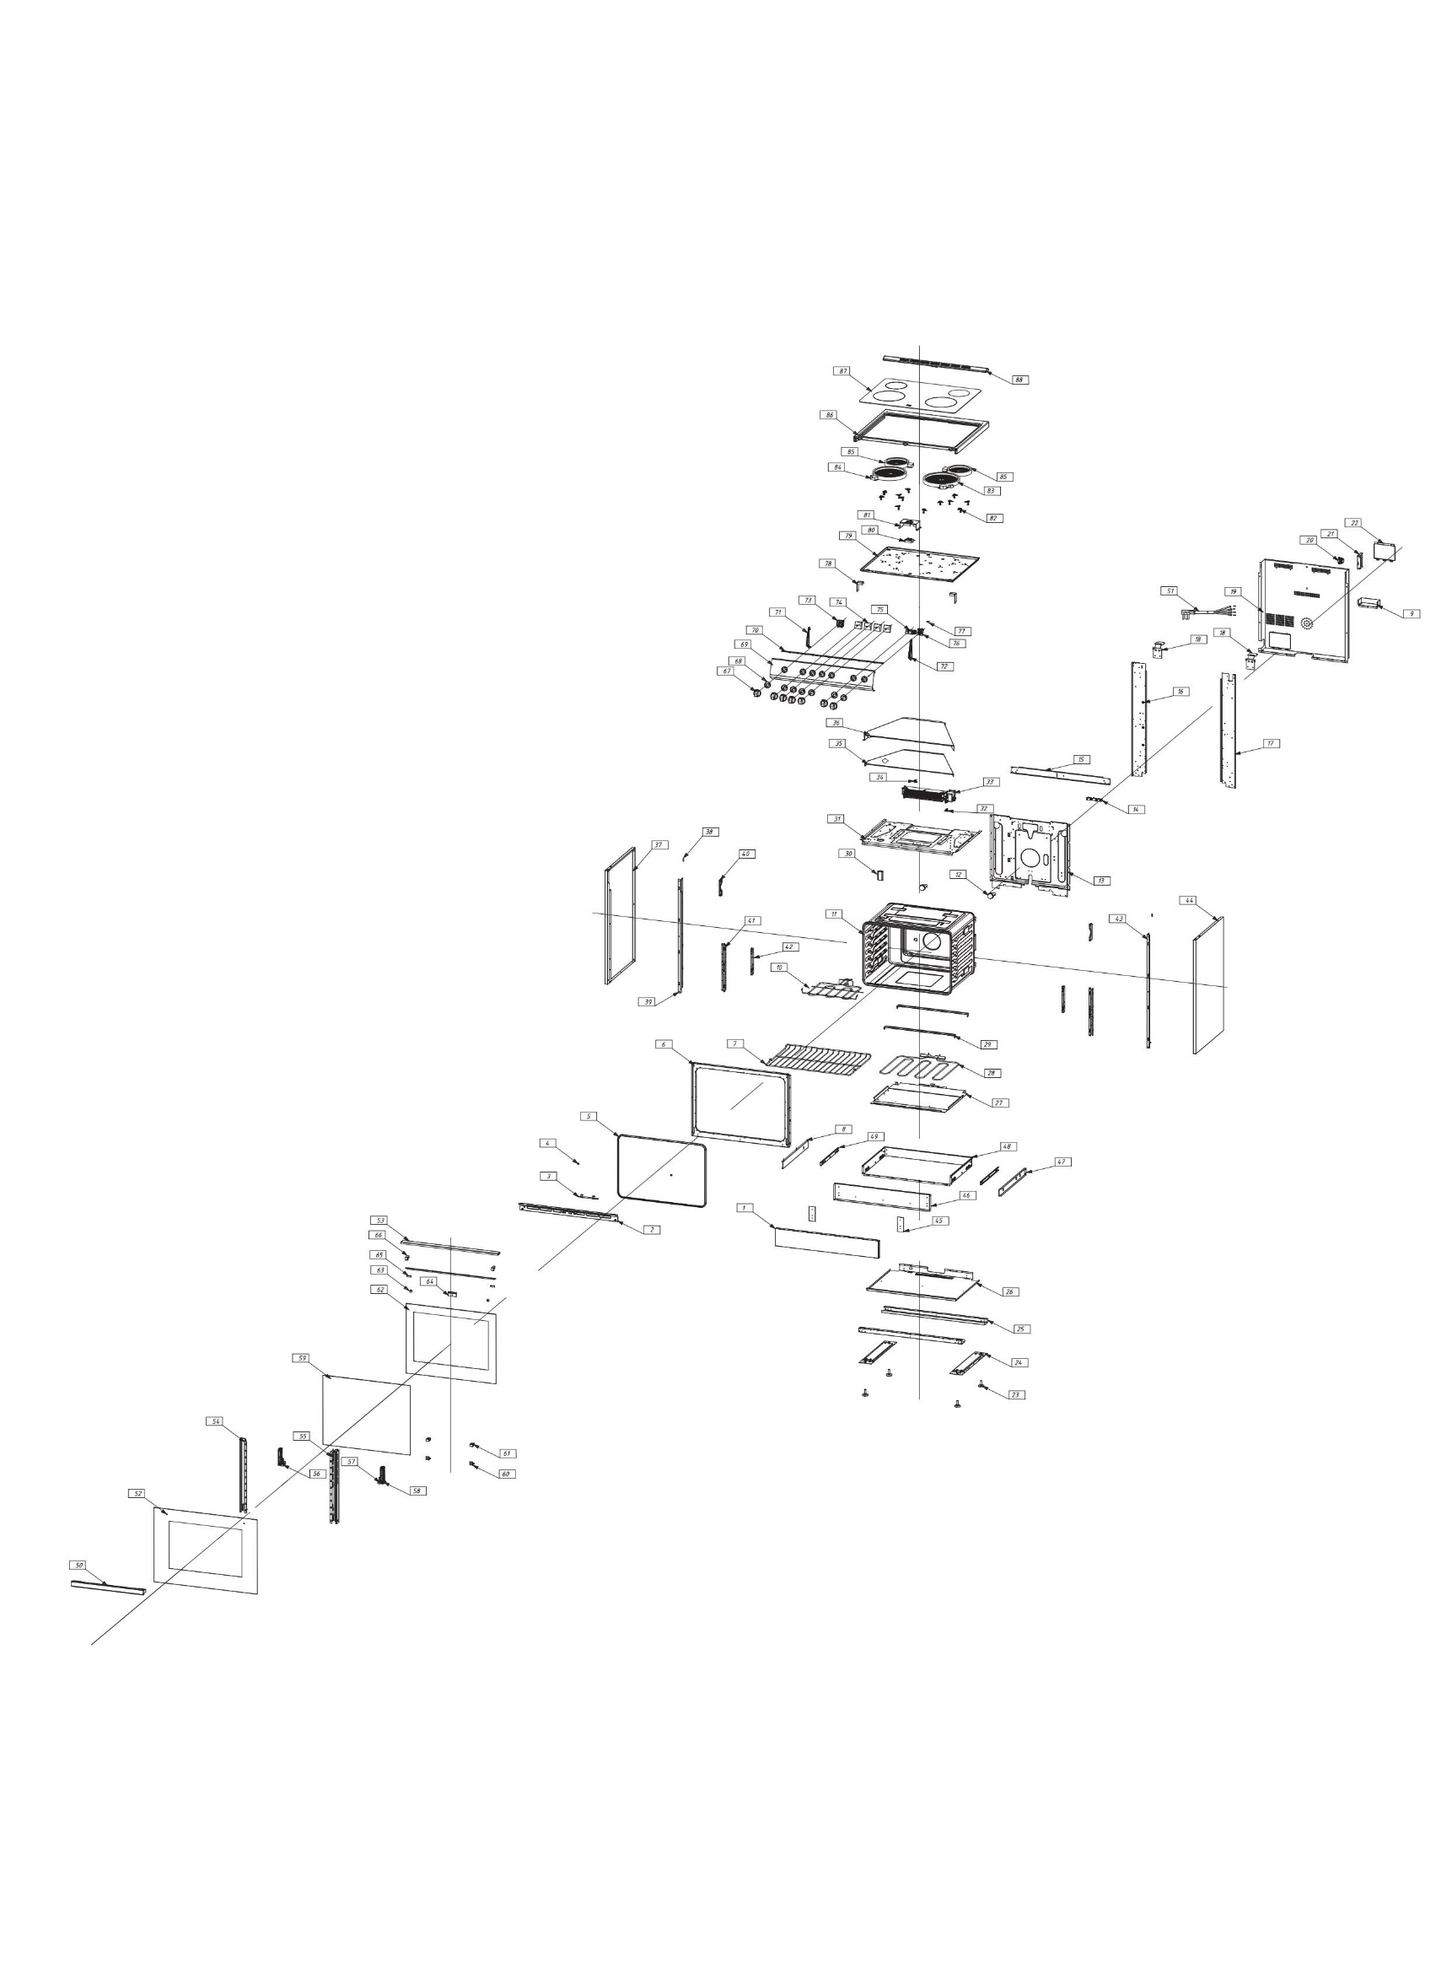
Revision: 00
NO | PART NUMBER | Updated Part # Nov.2024 | PART DESCRIPTION (ENG) | QTY | PARTS SPECIFICATION | Notes
1 | 30307100208 |  | Storage drawer panel | 1 | White spray，0.5mm
2 | 30316200006 |  | Suction duct baffle | 1 | Black spray cold rolled sheet
3 | 30302900238 |  | Fixed plate for suction duct baffle | 1 | Cold rolled sheet, spray painted black
4 | 30204100032 |  | Door buffer pad | 2 | Black silicone rubber
5 | 30200500040 |  | Range door seal assembly | 1 | Fiberglass+stainless steel buckle(φ13*0.15)
6 | 30315000487 |  | Inner liner panel | 1 | Black spray cold rolled sheet
7 | 30400100002 |  | Racks | 2 | Chromium plating on ordinary steel
8 | 30403900027 |  | Storage room left rail | 1 | Iron chrome plating
9 | 30316200099 |  | Rear cover plate baffle | 1 | Galvanized sheet, 0.5mm
10 | 30101200279 |  | Top electric heating tube 2000W | 1
11 | 2040700302 |  | Standing oven liner assembly | 1 | Cold rolled sheet black enamel 0.6mm
12 | 30101000013 |  | Round lamp assembly | 2
13 | 30301500004 |  | Cavity rear bracket | 1 | Galvanized sheet
14 | 30102600008 |  | Cooker junction box | 1
15 | 30313200001 |  | Stove surface support frame | 1 | Galvanized sheet
16 | 30302500005 |  | Cavity left bracket | 1 | Galvanized sheet
17 | 30302500006 |  | Cavity right bracket | 1 | Galvanized sheet
18 | 30313300001 |  | Fixed block behind the panel | 2 | Galvanized sheet
19 | 30302200165 |  | Shell rear cover plate | 1 | Galvanized sheet, 0.5mm
20 | 30313300007 |  | Power cord fixing buckle | 1 | Galvanized sheet
21 | 30302900017 |  | Power cord fixing plate | 1 | Galvanized sheet
22 | 30309600013 |  | Shell rear cover plate | 1 | Galvanized sheet
23 | 30201600011 |  | Anti slip feet | 4 | silicone rubber
24 | 30313200090 |  | Bottom bracket | 2 | Galvanized sheet
25 | 30302700162 |  | Left-right side panel linker plate | 2 | Galvanized sheet
26 | 30307800016 |  | Storage compartment partition | 1 | Galvanized sheet
27 | 30301200002 |  | Bottom heaters fixing plate | 1 | Galvanized sheet
28 | 30101200281 |  | Bottom electric tube 1500W | 1
29 | 30316200003 |  | Bottom heater baffle | 2 | Galvanized sheet
30 | 30401100007 |  | Smoke exhaust pipe | 1 | Galvanized sheet
31 | 30301800002 |  | Exhaust flue baseboard | 1 | Galvanized sheet
32 | 30100800005 |  | Heat dissipation thermostat | 1
33 | 30100400074 |  | Cooling fan assembly | 1
34 | 30100700030 |  | Overheat protector | 1
35 | 30312600036 |  | Exhaust duct middle cover | 1 | Galvanized sheet
36 | 30312600038 |  | Exhaust duct top cover | 1 | Galvanized sheet
37 | 2040900139 |  | Range left panel assembly | 1 | Cold rolled sheet white enamel 0.5mm
38 | 30406900036 |  | Non-standard screw | 2 | 430 stainless steel
39 | 30302400005 |  | Left panel support bracket | 1 | Galvanized sheet
40 | 30302900308 |  | Fixed block for switch board | 2 | Galvanized sheet
41 | 30302600037 |  | Hinge fixing bracket | 2 | Galvanized sheet
42 | 30302600003 |  | Hinge fixing plate | 2 | Galvanized sheet
43 | 30302400006 |  | Left panel support bracket | 1 | Galvanized sheet
44 | 2040900140 |  | Range right panel assembly | 1 | Cold rolled sheet white enamel 0.5mm
45 | 30302900018 |  | Inside drawer door fix block | 2 | Galvanized sheet,1.5mm
46 | 30307100182 |  | Storage room lining panel | 1 | Galvanized sheet,0.5mm
47 | 30403900028 |  | Storage room right rail | 1 | Iron chrome plating
48 | 30307100181 |  | Storage room floor | 1 | Galvanized sheet
49 | 30302900230 |  | Pull-out rail fixing plate | 2 | Galvanized sheet,0.7mm
50 | 30400700355 |  | Handle | 1 | Aluminum alloy,610mm, white
51 | 30102400209 | 30102400516 | Power cord | 1
52 | 30500201462 |  | Door panel glass | 1 | Tempered glass,610mm
53 | 30303500102 |  | Door bracket | 1 | Black cold-rolled sheet
54 | 30303400193 |  | Door Frame Left Bracket | 1 | Black cold-rolled sheet
55 | 30303400194 |  | Door Frame Right Bracket | 1 | Black cold-rolled sheet
56 | 30200900018 |  | Lower left glass fixing | 1 | Flame retardant nylon
57 | 30200900019 |  | Lower right glass fixing | 1 | Flame retardant nylon
58 | 30400600055 |  | Hinge | 2 | Galvanized sheet
59 | 30500300088 |  | Middle glass | 1 | Tempered glass
60 | 30303700002 |  | Middle glass limit block | 2 | Black cold-rolled sheet
61 | 30201000008 |  | Middle glass fixing block | 2 | Silicon rubber
62 | 30500400155 |  | Inner glass | 1 | Tempered glass
63 | 30201400005 |  | Handle washer | 2 | Plastic
64 | 30303600001 |  | Handle fixing plate | 1 | Black cold-rolled sheet
65 | 30201200006 |  | Middle glass inlay | 2 | silicon rubber
66 | 30201000003 |  | Middle glass fixing block | 2 | silicon rubber
67 | 30402500523 |  | Knob | 7 | Zinc alloy,white
68 | 30201900063 |  | Waterproof mat | 7 | white plastic
69 | 30305900496 |  | control panel | 1 | White spray 0.7mm
70 | 30215300011 |  | Rubber strip | 1 | Silicone rubber,
71 | 30216300013 |  | Left side panel of the panel | 1 | ppt,white
72 | 30216300012 |  | Right side panel of the panel | 1 | ppt,white
73 | 30100100001 |  | Mechanical timer | 1
74 | 30102200029 |  | Energy Regulators | 4
75 | 30100500065 |  | Gear switch | 1
76 | 30100900024 |  | Temperature control switch | 1
77 | 30102500003 |  | Oven Indicator light | 1 | plastic，100mm，in control panel
78 | 30313300070 |  | Chassis front support | 2 | Galvanized sheet,2mm
79 | 30300500025 |  | Chassis | 1 | Galvanized sheet
80 | 30102500068 |  | Cooktop Indicator light | 1 | plastic，110V,use for cooktop
81 | 30307500002 |  | Indicator light fixing base | 1 | Galvanized sheet
82 | 30307400002 |  | Radiator plate fixing seat | 12 | Galvanized sheet
83 | 30102800068 |  | Radiation furnace plate 2500W | 1
84 | 30102800067 |  | Radiation furnace plate 2200W | 1
85 | 30102800069 |  | Radiation furnace plate 1200W | 2
86 | 2040500285 |  | Standing oven panel assembly | 1 | Cold rolled sheet white enamel
87 | 30502201319 |  | Cooker glass panel | 1 | Black glass-ceramics
88 | 30306200032 |  | Rear panel | 1 | Cold rolled sheet white enamel
89 | 30102101245 |  | Connecting wires | 1 | UL,electric ceramic stove,wire
90 | 30102101366 |  | Connecting wires | 1 | UL,4 functions,wire harenss
91 | 30313200060 |  | Anti-tilt bracket | 1 | Galvanized sheet
92 | 30406900031 |  | Non-standard screwof bracket | 1 | Galvanized sheet

